Point table
Summary Check List Score |  |  |  |  | Safety and Environmental Qualitative Evaluation**

 | Parameter | Score | N° Point "1" | N° Point "2" |  | Exceeded Expectation | Acceptable | Acceptable with reserve | Not Acceptable
1 | Production Readiness | 12.0 | 1 | 0 |  | Optimal | Good | Low | Critical
2 | Sub-Supplier Management | 4.0 | 0 | 2 | Safety | X
3 | Production Volume | 7.0 | 0 | 2 | Environmental |  | X
4 | Logistic | 32.0 | 0 | 5 | **refer to worksheet F; see also Table 1 below for evaluation
5 | Risk Management | 3.0 | 1 | 1
FACTORY ASSESSMENT FINAL SCORE |  | 2.6 | 2* | 10*
 |  |  | *compile Actions Note with at least 12 actions |  |  | FACTORY ASSESSMENT FINAL SCORE | Check-list Score
 | Additional Parameters | Score | N° Point "1" | N° Point "2" |  |  | 2.6

 |  |  |  |  | Factory Assessment Final Score Evaluation***
 |  |  |  |  |  | Final Score | ≥ 3,5: Excellent****
 |  |  |  |  |  | 3 ≤ Final Score | < 3,5: Good
 |  |  |  |  |  | 2,5 ≤ Final Score | < 3: Acceptable/Feedback needed
 |  |  |  |  |  | 2 ≤ Final Score | < 2,5: Improvement/Upgrade needed
 |  |  |  |  |  | Final Score | < 2: Not Acceptable
 |  |  |  |  | ***even if Final Score is Excellent or Good, improvement actions due to points with Score Level 1 and 2 have to be considered for a final factory assessment evaluation

 |  |  |  |  | ****(supplier can be considered a benchmark for other suppliers)

 |  |  |  |  | Table 1 | Optimal | Good | Low | Critical
 |  |  |  |  | SAFETY | a) Proactive and innovative approac to Risk Analysis, including of all criticalies (electrical, chimical, fire, ..) | a) Risk Analysis issued and completed of all criticalies (electrical, chimical, fire, ..) | a) Risk Analysis issued but not complete of all criticalies (electrical, chimical, fire, ..) | a) No Risk Analysis issued
 |  |  |  |  |  | b) PPE provided to all resources (including visitors) and training performed | b) PPE provided to all resources (including visitors) and training performed | b) PPE provided to all resources (including visitors) but no evidence of training performed | b) No or low PPE provided to resources (including visitors), no evidence of training performed
 |  |  |  |  |  | c) Working condition Excellent (clean, order, safe, hygiene,..) | c) Working condition Good (clean, order, safe, hygiene,..) | c) Working condition Sufficient (clean, order, safe, hygiene,..) | c) Working condition (clean, order, safe, hygiene,..) Bad/ not acceptable
 |  |  |  |  |  | d) Personeel access management (registration, information, ...) and identification of work area - Excellent | d) Personeel access management (registration, information, ...) and identification of work area - Good | d) Personeel access management (registration, information, ...) and identification of work area - Sufficient | d) Personeel access management (registration, information, ...) and identification of work area - Bad/ not acceptable
 |  |  |  |  |  | e) First AID and Safety Emergency (Emergency Plan and procedures, First AID equipment, emergency personel trained, ...) - Excellent Performance | e) First AID and Safety Emergency (Emergency Plan and procedures, First AID equipment, emergency personel trained, ...) - Good Performance | e) First AID and Safety Emergency (Emergency Plan and procedures, First AID equipment, emergency personel trained, ...) - Sufficient (only First AID kit) | e) No organization of First AID and Safety Emergency (Emergency Plan and procedures, First AID equipment, emergency personel trained, ...)
 |  |  |  |  | ENVIRONMENTAL | a) Compliance with permits and environmental terms | a) Compliance with permits and environmental terms | a) Not Complete permits and environmental terms | a) No Compliance with permits and environmental terms
 |  |  |  |  |  | b) Weel structured Waste Management (separation, labeling, training,…) | b) Good Waste Management (separation, labeling, training,…) | b) Sufficient Waste Management (separation, labeling, training,…) | b) Bad/Not Acceptable Waste Management (separation, labeling, training,…)
 |  |  |  |  |  | c) Environmental Emergency Plan issued and Training performed | c) Environmental Emergency Plan issued and Training performed | c) Environmental Emergency Plan issued, but no training performed | c) No Environmental Emergency Plan issued
 |  |  |  |  |  | d) Excellent Level of Emission and Noise | d) Good Level of Emission and Noise | d) Sufficient Level of Emission and Noise | d) Bad/not Acceptable Level of Emission and Noise

Takt Tyme vs Cycle Time
Process | Time (Day) | Takt Time (Day) - EGP Project | Production Rate (Day) | Production Rate Calculation
A |  |  |  | Data from Supplier | units | / year | Legenda
B |  |  |  | Working Time | days / year |  | change unit of measurement
C |  |  |  |  | hours / day
D |  |  |  |  | units | / day | cells to fill out with data from supplier
E |  |  |  |  | units | / hour
F |  |  |  |  | units | / minute | cells in red are automatically filled
G |  |  |  |  | units | / second
H |  |  |  | Power Unit Nom. | W
Takt Time vs Cycle Time vs Production Rate
 | Production Stages | Takt Time (Day) - EGP Project | Production Rate
A |  |  | 0.000
B |  | 0 | 0.000
C |  | 0 | 0.000
D |  | 0 | 0.000
E |  | 0 | 0.000
F |  | 0 | 0.000
G |  | 0 | 0.000
H |  | 0 | 0.000
 |  |  |  | Production Rate | week / unit
 |  |  |  |  | day / unit
 |  |  |  |  | hour / unit
 |  |  |  |  | minute / unit
 |  |  |  |  | second / unit
 |  |  |  | Takt Time (Day) Calculation*
 |  |  |  | *Use the same unit of measurement of the phases time

A. Kraljic's
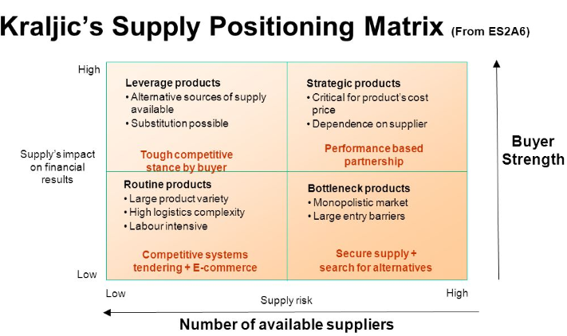

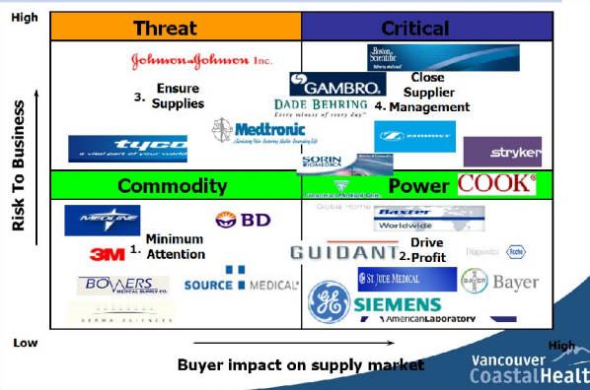

B. Change Order process
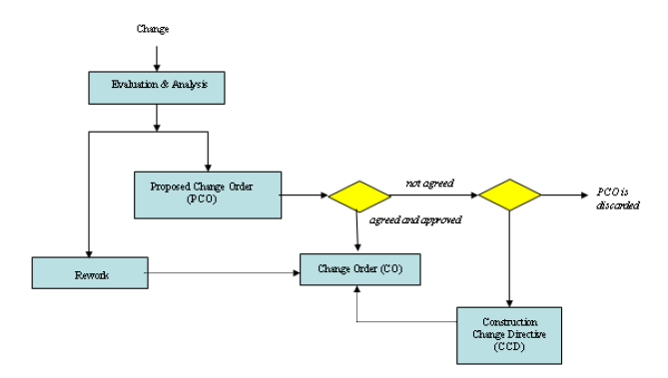
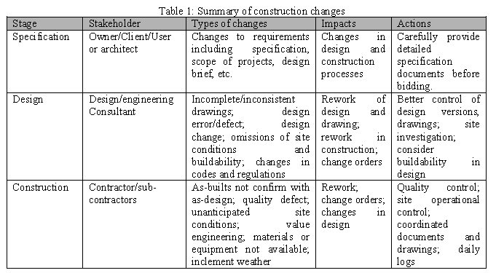
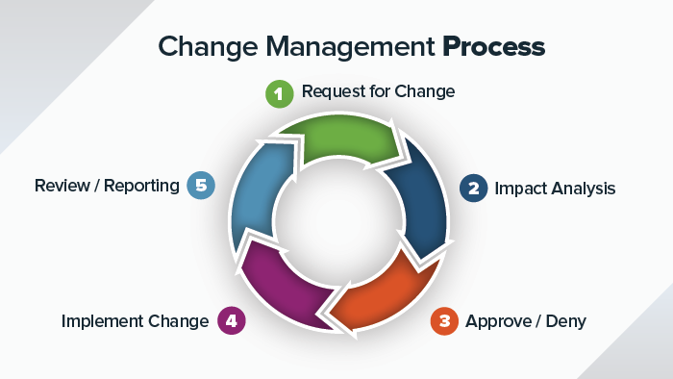

Fonte:

C. RACI cards and X-matrix
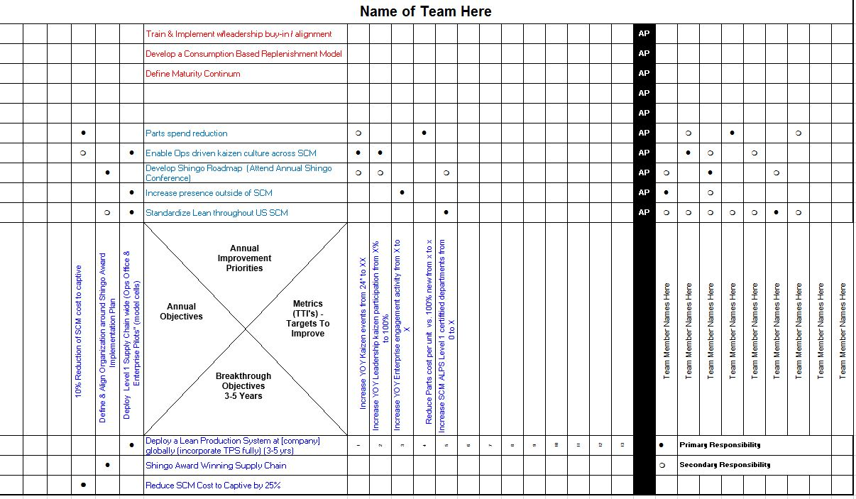
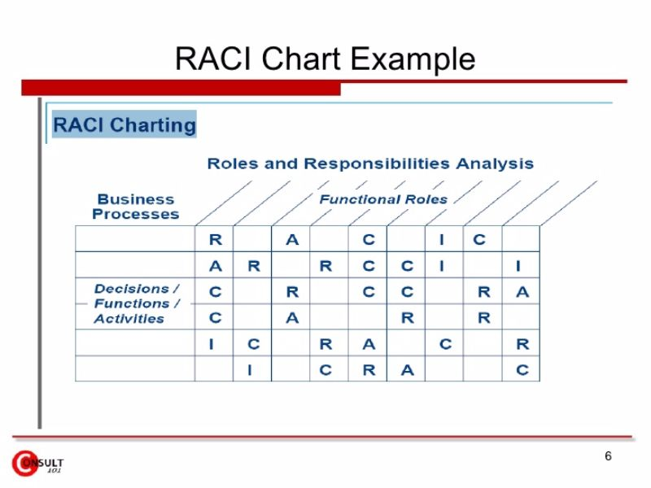
Return to Production Readiness

D. VSM
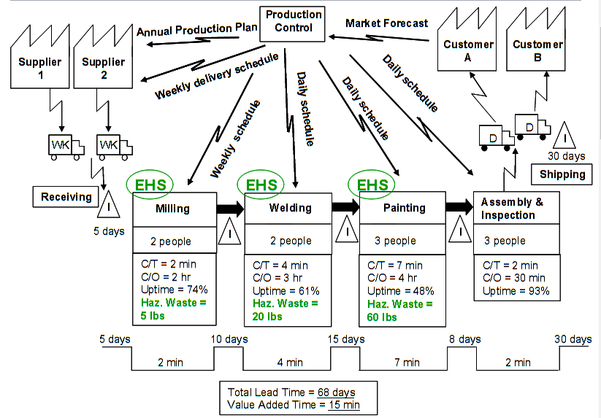
Return to Production Volume

E. Supplier Performance
